Tab 4 - Habit Moment and Metric
Habit Moment and Metric Analysis
Scenario: The VP of Product took your team's hypothesis and narrowed down them down to 3 moments and 3 metrics each fro Habit, Aha, and Setup analysis. The ones provided could include your hypothesis from Tab 3, but if they do not, that does not mean yours hypothesis is not valid. With the VP's experience, he is simply able to narrow down the list for us.
You need to conduct an analysis on what habit moments and metrics drive users to long-term activation. Remember: Long-term activation would be defined by the metric with the highest % overlap curve.
The habit, aha, and setup moments will be shared across next three tabs one for each moment. In this tab, you will analyze just habit moments/metrics and determine whether each of these 3 habit moments affect activation. This is important to know because then we can tailor our product to include the features that allow our users to achieve activation faster. 3 Habit Moments and 3 Habit Metrics are pre-selected for you along with users who completed actions and retained for each of the 3 moments.
Habit 1 analysis is on row 18-20, habit 2 analysis is on row 30-36, and habit 3 analysis is on row 42-48.
Skills: (1) calculate % overlap to measure the relationship of % overlap to habit metric (2) create line charts to visualize the relationship of the metric (3) analyze which are the primary habit moments and metric that lead to long-term activation.
Instructions: Place any notes, thoughts, comments in the "Observations (Personal Notes)" box in column M -O for yourself as you may want them in the future
1. Calculate the % overlap for each moment in Column F,
2. Create a line-graph for each moment in Column H-K to visualize the % Overlap from Column F vs Habit Metric from column A,
3. Analyze the data for each moment to determine if based on your analysis, this moment leads to long-term activation or not, and share your reasoning in Column Q - S
4. Once Steps 1 - 3 are completed, determine which of the 3 options would the Primary Habit Moment and Metric and explain why in the 2 boxes on the bottom right of this Tab in Row 51.
Cells in Orange have been completed for you as an example. The formulas have been removed.
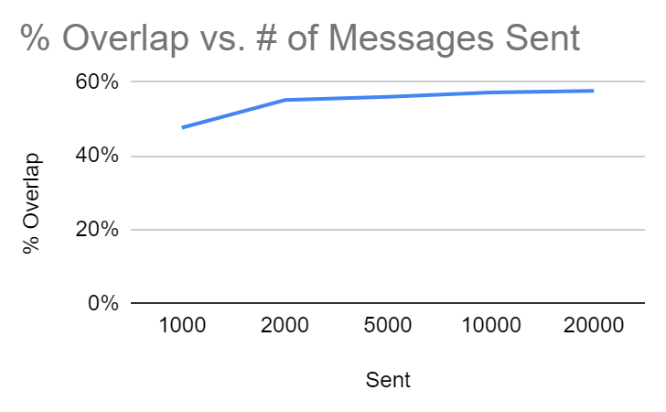
Habit Moment 1: look for a communication tool outside of email to engage with teammates
Habit Metric 1: # of Team Slack Messages Sent in 7-days |  |  |  |  |  | Observations (Personal Notes): There is a noticeable upward trend, particularly between users who sent 1000 and 2000 messages, indicating a significant leap. Subsequently, growth appears to overlap gradually, suggesting that as the number of sent messages increases, more users reach the habit point. |  | Does doing this Habit Metric affect activation? If yes, what is the ideal metric? |  | Yes. The ideal metric is 2000+ messages
# of | User
Messages Sent | Action Completed | Retained + Action NOT completed | Retained + Action completed | Total Users | % Overlap
100 | 797 | 139 | 358 | 936 | 38%
500 | 420 | 146 | 282 | 566 | 50% |  |  | Why? | As the number of messages sent in 7 days increases % overlap increases
1000 | 365 | 158 | 249 | 523 | 48%
2000 | 232 | 171 | 222 | 403 | 55%
5000 | 185 | 190 | 210 | 375 | 56%
10000 | 150 | 200 | 200 | 350 | 57%
20000 | 120 | 210 | 190 | 330 | 58%
% Overlap vs (log-ins)
Habit Moment 2: Only use Slack for internal messages, not email
Habit Metric 2: # of sessions (log-ins) per day |  |  |  |  |  | Observations (Personal Notes): The graph indicates that overlap steadily increases up to the point of 3+ sessions. Beyond this threshold, both overlap and habit begin to decline gradually. This suggests that the majority of users reach the habit moment by their third weekly session. |  | Does doing this Habit Metric affect activation? If yes, what is the ideal metric? |  | Yes. The ideal metric is 3+ sessions.
Session | User
(log-ins) | Action Completed | Retained + Action NOT completed | Retained + Action completed | Total Users | % Overlap
1+ | 1104 | 192 | 453 | 1,296 | 35%
2+ | 690 | 373 | 427 | 1,063 | 40% |  |  | Why? | As the number of messages increase the % overlap remains constant and somewhat decreases as well.
3+ | 552 | 358 | 412 | 910 | 45%
4+ | 460 | 372 | 378 | 832 | 45%
5+ | 428 | 391 | 359 | 819 | 44%
6+ | 352 | 334 | 306 | 686 | 45%
7+ | 310 | 363 | 287 | 673 | 43%

% Overlap vs Messages
Habit Moment 3: Checking a notification when something is addressed to me
Habit Metric 3: # of messages they were linked to (with an @) that brought them back to Slack |  |  |  |  |  | Observations (Personal Notes): The line shows the declining tendency. |  | Does doing this Habit Metric affect activation? If yes, what is the ideal metric? |  | Yes. The ideal metric is 1+ messages with mentioning (linking) a user.
# of | User
Messages | Action Completed | Retained + Action NOT completed | Retained + Action completed | Total Users | % Overlap
1+ | 397 | 139 | 250 | 536 | 47%
2+ | 270 | 146 | 190 | 416 | 46% |  |  | Why? | As the number of messages linked to @ increases, the % overlap decreases.
3+ | 215 | 158 | 170 | 373 | 46%
4+ | 152 | 171 | 145 | 323 | 45%
5+ | 104 | 179 | 122 | 283 | 43%
6+ | 59 | 192 | 109 | 251 | 43%
7+ | 24 | 214 | 102 | 238 | 43%

 |  |  |  |  |  |  |  |  | Moment | Metric
 |  |  |  |  |  |  | What is the best Primary Habit Moment and Metric to select for Slack? (hint: what did you confirm as a Habit Action in this exercise and which action had the highest overlap - probability to positively affect activation) |  | look for a communication tool outside of email to engage with teammates | number of Team Slack Messages Sent in 7-days

 |  |  |  |  |  |  |  | Without using the data analysis, why do you think that this Habit would be the best for Slack? | Primarily, Slack serves as a communication tool, with messaging being its core functionality. This feature not only facilitates reaching out to others but also fosters habit formation. As more messages are sent to a wider network of individuals, users gradually establish a habitual pattern of interaction.

Tab 5 - Aha Moment and Metric A
Aha Moment and Metric Analysis
Scenario: The VP of Product took your team's hypothesies and narrowed down them down to 3 moments and 3 metrics each fro Habit, Aha, and Setup analysis. The ones provided could include your hypothesis from Tab 3, but if they do not, that does not mean yours hypothesis is not valid. With the VP's experience, he is simply able to narrow down the list for us.
You need to conduct an analysis on what habit moments and metrics drive users to long-term activation. Remember: Long-term activation would be defined by the metric with the highest % overlap curve.
The habit, aha, and setup moments will be shared across next three tabs one for each moment. In this tab, you will analyze just Aha moments/metrics and determine whether each of these 3 habit moments affect activation. This is important to know because then we can tailor our product to include the features that allow our users to achieve activation faster. 3 Aha Moments and 3 Aha Metrics are pre-selected for you along with users who completed actions and retained for each of the 3 moments.
Skill: From these tasks, you can apply your knowledge on how to (1) calculate % overlap to measure the relationship of % overlap to Aha metric, (2) create line charts to visualize the relationship of the metric and (3) analyze which are the primary Aha moments and metric that lead to long-term activation.
Instructions: Place any notes, thoughts, comments in the "Observations (Personal Notes)" box in column M - O for yourself to view in the future.
1. Calculate the % overlap for each moment in Column F,
2. Create a line-graph for each moment in Column H-K to visualize the % Overlap from Column F vs aha Metric from column A,
3. Analyze the data for each moment to determine if based on your analysis, this moment leads to long-term activation or not, and share your reasoning in Column Q - S
4. Once Steps 1 - 3 are completed, determine which of the 3 options would the Primary aha Moment and Metric and explain why in the 2 boxes on the bottom right of this Tab in Row 50.
Cells in Orange have been completed for you as an example. The formulas have been removed.

Aha Moment 1: Engaging with a message in a group channel |  |  |  |  |  | 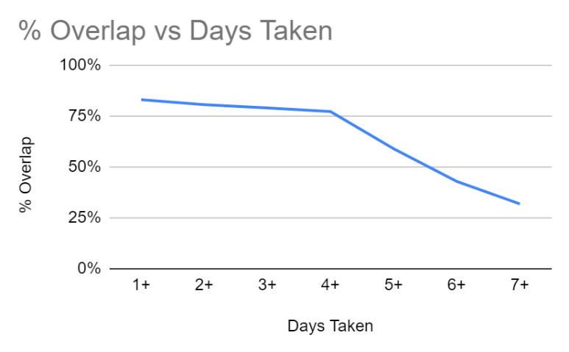
Aha Metric 1: Sending 1st message in a group channel within X days |  |  |  |  |  |  | Observations (Personal Notes): Observations (Personal Notes): The trend indicates that the majority of users experience the Aha! moment when a group message is sent within one day of engagement. However, with each subsequent day of delay, fewer users reach this point. There is a significant decline in overlap when messages are sent within five days. |  | Does doing this Aha Metric affect activation? If yes, what is the ideal metric? |  | Yes. The ideal metric is 1+ day taken.
# of | User
Days Taken | Action Completed | Retained + Action NOT completed | Retained + Action completed | Total Users | % Overlap
1+ | 204 | 342 | 453 | 546 | 83%
2+ | 170 | 360 | 427 | 530 | 81% |  |  |  | Why? | The sooner the users sends their first message, higher the likelihood of retention. This suggests that the action of sending the first message in a group channel within the first day has a strong correlation with user retention, indicating that it could be an important factor for long-term activation.
3+ | 152 | 370 | 412 | 522 | 79%
4+ | 110 | 380 | 378 | 490 | 77%
5+ | 90 | 520 | 359 | 610 | 59%
6+ | 65 | 650 | 306 | 715 | 43%
7+ | 30 | 874 | 287 | 904 | 32%
% Overlap vs Days Taken
Aha Moment 2: Messaging with a team member on a direct channel
Aha Metric 2: sends 1st direct message within X days |  |  |  |  |  |  | Observations (Personal Notes): The graph illustrates that users who delay sending their first direct message are more likely to drop off. There are two distinct declines, notably at delays of 5 days and 7 days. |  | Does doing this Aha Metric affect activation? If yes, what is the ideal metric? |  | Yes. The ideal metric is within 1 day.
# of | User
Days Taken | Action Completed | Retained + Action NOT completed | Retained + Action completed | Total Users | % Overlap
1+ | 1104 | 200 | 800 | 1,304 | 61%
2+ | 690 | 373 | 627 | 1,063 | 59% |  |  |  | Why? | Only 61% users sends only one direct message within 1 day and the rest graph declines as the number of days increases.
3+ | 552 | 388 | 532 | 940 | 57%
4+ | 460 | 372 | 458 | 832 | 55%
5+ | 428 | 441 | 359 | 869 | 41%
6+ | 352 | 484 | 306 | 836 | 37%
7+ | 310 | 513 | 187 | 823 | 23%
% Overlap vs Days Taken
Aha Moment 3: Searching for old documents, links, and convos
Aha Metric 3: 1st search for a file or message within X days |  |  |  |  |  |  | Observations (Personal Notes): The line exhibits a generally stable trend, with a slight inclination towards decline. |  | Does doing this Aha Metric affect activation? If yes, what is the ideal metric? |  | Yes. The ideal metric 3+ days.
# of | User
Days Taken | Action Completed | Retained + Action NOT completed | Retained + Action completed | Total Users | % Overlap
1+ | 1104 | 342 | 603 | 1,446 | 42%
2+ | 690 | 373 | 427 | 1,063 | 40% |  |  |  | Why? | The urgency of completing this action is not as immediate as sending the first message in a group channel.
3+ | 552 | 388 | 412 | 940 | 44%
4+ | 460 | 422 | 378 | 882 | 43%
5+ | 428 | 441 | 359 | 869 | 41%
6+ | 352 | 484 | 306 | 836 | 37%
7+ | 310 | 513 | 287 | 823 | 35%

 |  |  |  |  |  |  |  |  |  | Moment | Metric
 |  |  |  |  |  |  |  | What is the best Primary Aha Moment and Metric to select for Slack? (hint: what did you confirm as a Aha Action in this exercise and which action had the highest overlap - probability to positively affect activation) |  | Engaging with a message in a group channel | Sending 1st message in a group channel within X days

 |  |  |  |  |  |  |  |  | Without using the data analysis, why do you think that this Aha would be the best for Slack? | Group chat functionality serves as a fundamental aspect of the product, facilitating communication within groups such as teams, companies, or departments. The sooner users engage with these features, the greater the perceived value of the product.

Tab 6 - Setup Moment and Metric
Setup Moment and Metric Analysis
Scenario: The VP of Product took your team's hypothesies and narrowed down them down to 3 moments and 3 metrics each fro Habit, Aha, and Setup analysis. The ones provided could include your hypothesis from Tab 3, but if they do not, that does not mean yours hypothesis is not valid. With the VP's experience, he is simply able to narrow down the list for us.
You need to conduct an analysis on what habit moments and metrics drive users to long-term activation. Remember: Long-term activation would be defined by the metric with the highest % overlap curve.
The habit, Setup, and setup moments will be shared across next three tabs one for each moment. In this tab, you will analyze just Setup moments/metrics and determine whether each of these 3 habit moments affect activation. This is important to know because then we can tailor our product to include the features that allow our users to achieve activation faster. 3 Setup Moments and 3 Setup Metrics are pre-selected for you along with users who completed actions and retained for each of the 3 moments.
Skill: From these tasks, you can apply your knowledge on how to (1) calculate % overlap to measure the relationship of % overlap to setup metric (2) create line charts to visualize the relationship of the metric (3) analyze which are the primary setup moments and metric that lead to long-term activation.
Instructions: Place any notes, thoughts, comments in the "Observations (Personal Notes)" box in column M - O for yourself to view in the future.
1. Calculate the % overlap for each moment in Column F,
2. Create a line-graph for each moment in Column H-K to visualize the % Overlap from Column F vs setup Metric from column A,
3. Analyze the data for each moment to determine if based on your analysis, this moment leads to long-term activation or not, and share your reasoning in Column Q - S
4. Once Steps 1 - 3 are completed, determine which of the 3 options would the Primary setup Moment and Metric and explain why in the 2 boxes on the bottom right of this Tab in Row 50.
Cells in Orange have been completed for you as an example. The formulas have been removed.
Setup Moment 1: Configure settings and profile |  |  |  |  |  | 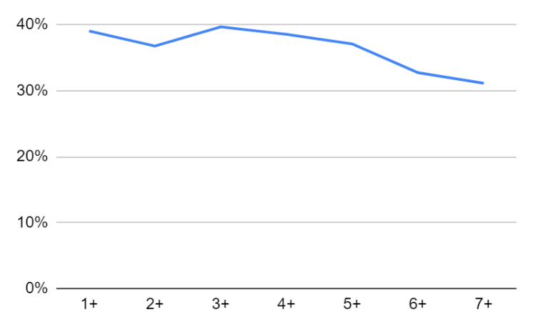
Setup Metric 1: Setting up profile pic within X days |  |  |  |  |  |  | Observations (Personal Notes): Generally, overlap remains below 40% and exhibits a decreasing trend as the number of days taken to configure settings increases. However, there is a notable spike observed for settings configured within three days. |  | Does doing this Setup Metric affect activation? If yes, what is the ideal metric? |  | No it does not affect the activation
# of | User
Days Taken | Action Completed | Retained + Action NOT completed | Retained + Action completed | Total Users | % Overlap
1+ | 1204 | 342 | 603 | 1,546 | 39%
2+ | 790 | 373 | 427 | 1,163 | 37% |  |  |  | Why? | The metric indicates that the overlap is below 40%, suggesting that this feature does not have a significant impact on activation.
3+ | 652 | 388 | 412 | 1,040 | 40%
4+ | 560 | 422 | 378 | 982 | 38%
5+ | 528 | 441 | 359 | 969 | 37%
6+ | 452 | 484 | 306 | 936 | 33%
7+ | 410 | 513 | 287 | 923 | 31%

% Overlap vs Days Taken
Setup Moment 2: Integrate to a 3rd party Slack App
Setup Metric 2: Integrate to a 3rd party app within 7-days |  |  |  |  |  |  | Observations (Personal Notes): The trend line demonstrates a downward trajectory with a peak on the first day. This indicates that the setup moment predominantly occurs for users within the initial day of usage. |  | Does doing this Setup Metric affect activation? If yes, what is the ideal metric? |  | Yes. The ideal metric is the 1st day.
# of | User
Days Taken | Action Completed | Retained + Action NOT completed | Retained + Action completed | Total Users | % Overlap
1+ | 1204 | 200 | 800 | 1,404 | 57%
2+ | 790 | 373 | 627 | 1,163 | 54% |  |  |  | Why? | The data indicates an overlap exceeding 50% for this setup, with optimal results observed when integration with third-party apps occurs within one day of usage.
3+ | 620 | 388 | 532 | 1,008 | 53%
4+ | 510 | 372 | 458 | 882 | 52%
5+ | 272 | 441 | 359 | 713 | 50%
6+ | 135 | 484 | 306 | 619 | 49%
7+ | 50 | 590 | 300 | 640 | 47%

% Overlap vs Users Invited
Setup Moment 3: Invite a team mate and had a back-and-forth direct convo
Setup Metric 3: # of users invited within 7-days |  |  |  |  |  |  | Observations (Personal Notes): The data reveals significant overlap for this setup, reaching up to 70%. However, there is a noticeable decline in trend, particularly with a sharp drop occurring if the setup occurs after 5 days or more. |  | Does doing this Setup Metric affect activation? If yes, what is the ideal metric? |  | Yes. The ideal metric is 1+ user invited.
# of | User
Users Invited | Action Completed | Retained + Action NOT completed | Retained + Action completed | Total Users | % Overlap
1+ | 304 | 342 | 453 | 646 | 70%
2+ | 270 | 360 | 427 | 630 | 68% |  |  |  | Why? | The data suggests that initial engagement is strong but diminishes with the number of users is invited. Encouraging users to invite just one or two team members might be a more effective strategy for long term activation.
3+ | 252 | 370 | 412 | 622 | 66%
4+ | 210 | 380 | 378 | 590 | 64%
5+ | 190 | 520 | 359 | 710 | 51%
6+ | 165 | 650 | 306 | 815 | 38%
7+ | 130 | 874 | 287 | 1,004 | 29%

 |  |  |  |  |  |  |  |  |  | Moment | Metric
 |  |  |  |  |  |  |  | What is the best Primary Setup Moment and Metric to select for Slack? (hint: what did you confirm as a Aha Action in this exercise and which action had the highest overlap - probability to positively affect activation) |  | Invite a team mate and had a back-and-forth direct convo | # of users invited within 7 days

 |  |  |  |  |  |  |  |  | Without using the data analysis, why do you think that this Setup would be the best for Slack? | The primary function of this product is facilitating communication among users, which is meaningful only when multiple users are engaged. Inviting and initiating a two-way chat with at least one user reveals the core value of the product and indicates that users are adequately set up.

